Ej2
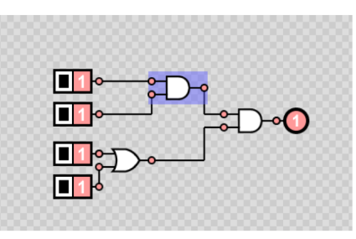
E
0 | 0 | 0 | 0 | FALSE | FALSE | FALSE | 0
0 | 0 | 0 | 1 | FALSE | TRUE | FALSE | 0 | Ejercicio 1
0 | 0 | 1 | 0 | FALSE | TRUE | FALSE | 0
0 | 0 | 1 | 1 | FALSE | TRUE | FALSE | 0
G
0 | 1 | 0 | 0 | FALSE | FALSE | FALSE | 0
0 | 1 | 0 | 1 | FALSE | TRUE | FALSE | 0
0 | 1 | 1 | 0 | FALSE | TRUE | FALSE | 0
0 | 1 | 1 | 1 | FALSE | TRUE | FALSE | 0
1 | 0 | 0 | 0 | FALSE | FALSE | FALSE | 0
1 | 0 | 0 | 1 | FALSE | TRUE | FALSE | 0
F
1 | 0 | 1 | 0 | FALSE | TRUE | FALSE | 0
1 | 0 | 1 | 1 | FALSE | TRUE | FALSE | 0
1 | 1 | 0 | 0 | TRUE | FALSE | FALSE | 0
1 | 1 | 0 | 1 | TRUE | TRUE | TRUE | 1 |  |  | u
1 | 1 | 1 | 0 | TRUE | TRUE | TRUE | 1
1 | 1 | 1 | 1 | TRUE | TRUE | TRUE | 1

0 | 0 | 0 | 0 | TRUE | TRUE | FALSE | TRUE | FALSE | 0 | OUT=(IN AND NOT IN) AND (NOT IN OR IN )
0 | 0 | 0 | 1 | TRUE | TRUE | FALSE | TRUE | FALSE | 0 |  | Ejercicio 2
0 | 0 | 1 | 0 | TRUE | FALSE | FALSE | FALSE | FALSE | 0
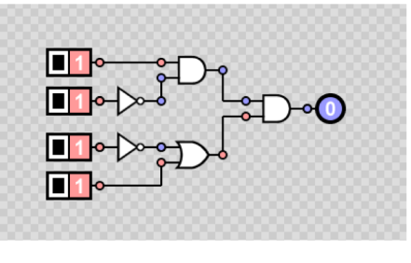
0 | 0 | 1 | 1 | TRUE | FALSE | FALSE | TRUE | FALSE | 0
G
0 | 1 | 0 | 0 | FALSE | TRUE | FALSE | TRUE | FALSE | 0
0 | 1 | 0 | 1 | FALSE | TRUE | FALSE | TRUE | FALSE | 0
E
I
0 | 1 | 1 | 0 | FALSE | FALSE | FALSE | FALSE | FALSE | 0
0 | 1 | 1 | 1 | FALSE | FALSE | FALSE | TRUE | FALSE | 0
F
H
1 | 0 | 0 | 0 | TRUE | TRUE | TRUE | TRUE | TRUE | 1
1 | 0 | 0 | 1 | TRUE | TRUE | TRUE | TRUE | TRUE | 1
1 | 0 | 1 | 0 | TRUE | FALSE | TRUE | FALSE | FALSE | 0
1 | 0 | 1 | 1 | TRUE | FALSE | TRUE | TRUE | TRUE | 1
1 | 1 | 0 | 0 | FALSE | TRUE | FALSE | TRUE | FALSE | 0
1 | 1 | 0 | 1 | FALSE | TRUE | FALSE | TRUE | FALSE | 0
1 | 1 | 1 | 0 | FALSE | FALSE | FALSE | FALSE | FALSE | 0
1 | 1 | 1 | 1 | FALSE | FALSE | FALSE | TRUE | FALSE | 0

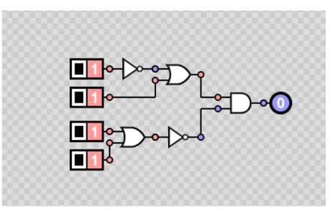
0 | 0 | 0 | 0 | TRUE | FALSE | TRUE | TRUE | TRUE | 1 | OUT = (NOT IN OR IN) AND NOT (IN OR IN)
0 | 0 | 0 | 1 | TRUE | TRUE | TRUE | FALSE | FALSE | 0
0 | 0 | 1 | 0 | TRUE | TRUE | TRUE | FALSE | FALSE | 0
E
G
0 | 0 | 1 | 1 | TRUE | TRUE | TRUE | FALSE | FALSE | 0
0 | 1 | 0 | 0 | TRUE | FALSE | TRUE | TRUE | TRUE | 1
I
0 | 1 | 0 | 1 | TRUE | TRUE | TRUE | FALSE | FALSE | 0
0 | 1 | 1 | 0 | TRUE | TRUE | TRUE | FALSE | FALSE | 0
F
H
0 | 1 | 1 | 1 | TRUE | TRUE | TRUE | FALSE | FALSE | 0
1 | 0 | 0 | 0 | FALSE | FALSE | FALSE | TRUE | FALSE | 0
1 | 0 | 0 | 1 | FALSE | TRUE | FALSE | FALSE | FALSE | 0
1 | 0 | 1 | 0 | FALSE | TRUE | FALSE | FALSE | FALSE | 0
1 | 0 | 1 | 1 | FALSE | TRUE | FALSE | FALSE | FALSE | 0
1 | 1 | 0 | 0 | FALSE | FALSE | TRUE | TRUE | TRUE | 1
1 | 1 | 0 | 1 | FALSE | TRUE | TRUE | FALSE | FALSE | 0
1 | 1 | 1 | 0 | FALSE | TRUE | TRUE | FALSE | FALSE | 0
1 | 1 | 1 | 1 | FALSE | TRUE | TRUE | FALSE | FALSE | 0
 |  |  |  |  |  |  |  |  |  | Ejercicio 3

Ej3
0 | 0 | 0 | 0 | FALSE | FALSE | TRUE | FALSE | TRUE | TRUE | TRUE | FALSE | 0
0 | 0 | 0 | 1 | FALSE | FALSE | TRUE | FALSE | TRUE | FALSE | TRUE | FALSE | 0
0 | 0 | 1 | 0 | FALSE | TRUE | TRUE | TRUE | FALSE | TRUE | TRUE | FALSE | 0
E
G
0 | 0 | 1 | 1 | FALSE | TRUE | TRUE | TRUE | FALSE | FALSE | FALSE | TRUE | 1
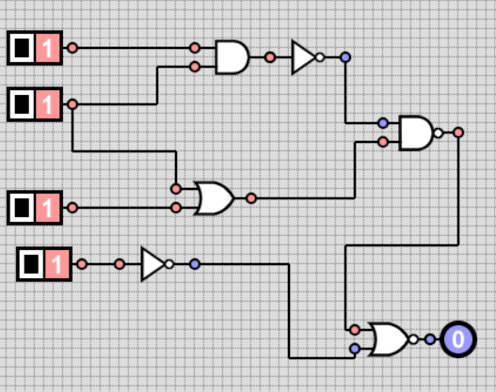
0 | 1 | 0 | 0 | FALSE | TRUE | TRUE | TRUE | FALSE | TRUE | TRUE | FALSE | 0
0 | 1 | 0 | 1 | FALSE | TRUE | TRUE | TRUE | FALSE | FALSE | FALSE | TRUE | 1
0 | 1 | 1 | 0 | FALSE | TRUE | TRUE | TRUE | FALSE | TRUE | TRUE | FALSE | 0
H
0 | 1 | 1 | 1 | FALSE | TRUE | TRUE | TRUE | FALSE | FALSE | FALSE | TRUE | 1
I
1 | 0 | 0 | 0 | FALSE | FALSE | TRUE | FALSE | TRUE | TRUE | TRUE | FALSE | 0
1 | 0 | 0 | 1 | FALSE | FALSE | TRUE | FALSE | TRUE | FALSE | TRUE | FALSE | 0
F
1 | 0 | 1 | 0 | FALSE | TRUE | TRUE | TRUE | FALSE | TRUE | TRUE | FALSE | 0
1 | 0 | 1 | 1 | FALSE | TRUE | TRUE | TRUE | FALSE | FALSE | FALSE | TRUE | 1
1 | 1 | 0 | 0 | TRUE | TRUE | FALSE | FALSE | TRUE | TRUE | TRUE | FALSE | 0
1 | 1 | 0 | 1 | TRUE | TRUE | FALSE | FALSE | TRUE | FALSE | TRUE | FALSE | 0
J
1 | 1 | 1 | 0 | TRUE | TRUE | FALSE | FALSE | TRUE | TRUE | TRUE | FALSE | 0
1 | 1 | 1 | 1 | TRUE | TRUE | FALSE | FALSE | TRUE | FALSE | TRUE | FALSE | 0

K
L

